Sheet1
 |  | Document No. | Issue No. | Issue Date |  | Review and Replace Date |  | Authorised By
 |  | GFF016MC | 3 | 23.09.2018 |  | 24.09.2019
 |  | Document Title | Chicken Chettinad 1250g - Deli Counter
 |  |  | Page 1 of 1 |  | Clause |  | 6.1 | Magda Shah
Document amendments reason for change |  | Weight and packaging format changed |  |  | Previous Issue Date |  | 04.04.2019 | Uncontrolled copy unless signed original

CCCHET-R1BEB | BOOTHS - DELI |  | CHICKEN CHETTINAD 1250g
STEP 1 |  |  |  |  | STEP 2
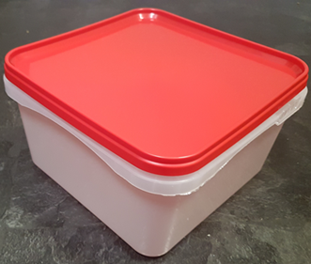 |  |  |  |  | 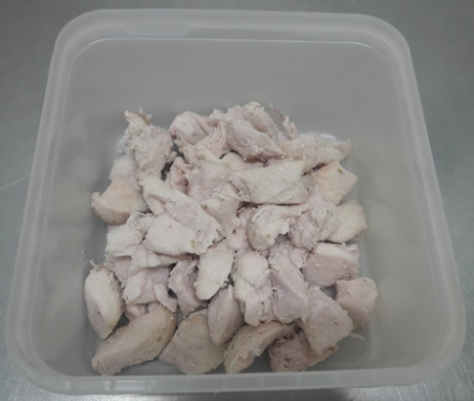

Tray/Lid: SALAD TUB RED LID NATURAL 2.4/4 LTR (PKSHA002-02) |  |  |  |  | Marinated Cooked British Chicken 12-14g Diced (GFF164R) 400g

STEP 3
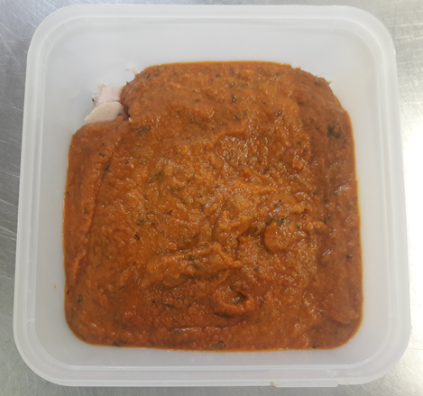 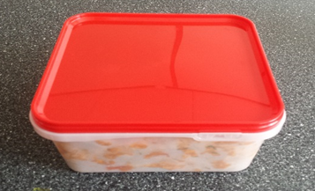

Use by applied from Date of Cooking (the oldest component)

Chettinad Sauce (GFF216R) 850g |  |  |  |  | TOTAL WEIGHT: 1250g
ALLERGY ALERT: MUSTARD

